Lotto2_T640_1
 |  | Convenzione | - €
 |  | 20% | - €
 |  | Totale | - €

POWEREDGE T640 Consulta la Guida alla Convenzione ---> | & | Quantità Server |  | Version 3.3
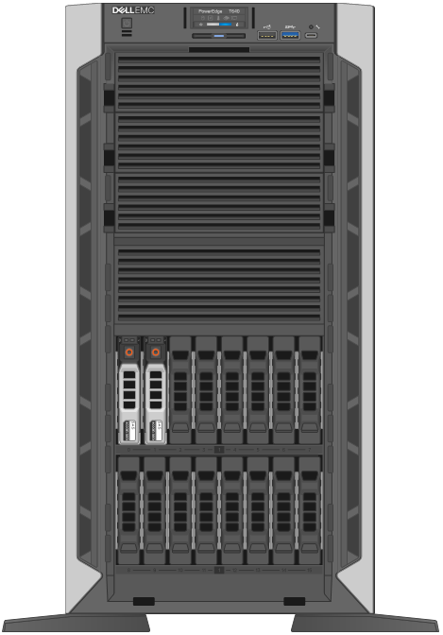
Base | i
PowerEdge T640 Server

Chassis Configuration | i
Chassis with up to 16 x 2.5" SAS/ SATA Hard Drives, Tower Configuration

Trusted Platform Module (TPM)
Trusted Platform Module 2.0

Processor | i
Intel Xeon Silver 4214 2.2G, 12C/24T, 9.6GT/s, 16.5M Cache, Turbo, HT (85W)

Additional Processor
No Additional Processor |  |  | 0

Memory Capacity
32GB |  |  | 0

Operating System
No Operating System
 |  |  | 0
Raid Controller | i
PERC H730P+ Adapter RAID Controller, 2GB |  |  |  | Configurazione RAID e/o NOTE
 |  |  |  | Specificare la configurazione RAID per l'installazione del Sistema Operativo, se richiesto. e/o inserire eventuali note.
Hard Drivers Bays disponibili n° 16 |  | Usati | Disponibili
 |  | 2 | 14

2.4TB 10K RPM SAS 12Gbps 512e 2.5in Hot-plug |  | TS3L2-HDD2TB

1.2TB 10K RPM SAS 12Gbps 2.5in Hot-plug |  | TS3L2-HDD1TB

300GB 15K RPM SAS 12Gbps 2.5in Hot-plug |  | TS3L2-HDD300GB

960GB SSD SAS Read Intensive 12Gbps 2.5in Hot-plug |  | TS3L2-RI800GB | 2

Power Supply
Dual, Hot-plug, Redundant Power Supply (1+1), 750W

Embedded Systems Management | i
iDRAC9,Enterprise

Network Cards
On-Board Dual-Port 10GbE LOM

PCI Slot 1 Processor 1 x16 PCIe Gen3 for FH/FL

PCI Slot 2 Processor 1 x4 PCIe Gen3 for FH/FL
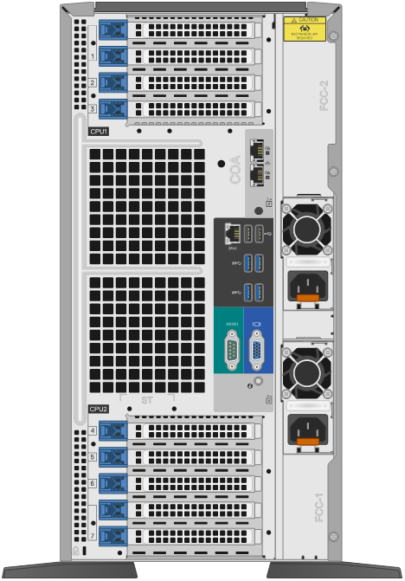

PCI Slot 3 Processor 1 x16 PCIe Gen3 for FH/FL

PCI Slot 4 Processor 2 x8 PCIe Gen3 for FH/FL

PCI Slot 5 Processor 2 x4 PCIe Gen3 for FH/FL

PCI Slot 6 Processor 2 x16 PCIe Gen3 for FH/FL

PCI Slot 7 Processor 2 x8 PCIe Gen3 for FH/FL

PCI Slot 8 Processor 2 x16 PCIe Gen3 for FH/FL

Cavi RJ45
Cavo “patch” di 3 mt RJ45 certificato per gigabit ethernet |  | TS3L2-RJ453M | 3

Warranty | i
Manutenzione in garanzia (36 mesi)

Hard Disk Retention | i

UPS | i

Kit Graphical User Interface | i

